Sheet1
Question | Question | Question | Specification | Motor - 1 (Joint 1) | Motor - 2 (For joint 2, 3 & 4)
1 | Selection | Can you provide final approval for the BMD + TQF with HB combination for Joint 1? | Qunatity | 2 | 6
2 | Sizing | The reflected inertia for Joint 1 is 960 kg·m². Can this be handled, and is the F1 (additional inertia) option sufficient? What would be the inertia matching ratio? | Rated Torque | 275 Nm | 50 Nm
3 | Sizing | The peak radial load for Joint 1 is 9000 N. Can the TQF 160 with HB (reinforced bearings) reliably handle this load? What is the exact maximum radial load capacity? | Peak Torque (Optional) | 450 Nm | 170 Nm
4 | Selection | For Joints 2, 3, and 4, is the BMS series the correct choice? Do any of these joints require up-sizing? | Rated speed | 30 - 50 RPM | 30 - 50 RPM
5 | Drive | Can you provide the ESD/ESI file for the AxiaVert drive for EtherCAT integration? | Gear Type | Precision Planetary Gear
6 | Drive | We have selected AXV 11K for Joint 1 and AXV 5K5 / 4K0 / 2K2 for Joints 2-4. Is this sizing correct? | Gear Backlash | Minimized
7 | Safety | We plan to use the S option (STO + SS1-t + SBC) for functional safety. Is this sufficient for a robotic application? | Electromagnetic Brake | Required
8 | Cables | The cable length is 15 meters. Are there any derating or signal attenuation issues we should be aware of for power and signal cables? | Encoder for Servo drive | Absolute encoder (Preferably >= 12 bits)
9 | Mechanical | Can you provide 3D CAD models (STEP files) for mechanical integration? | Mounting type | Flange
10 | Brake | Is the F24 (electromagnetic brake) standard or optional? What is the brake torque rating? | Output shaft type | Flange
11 | Commercial | What is the total cost estimate for all 8 units? | Power Supply | Three Phase
12 | Commercial | What is the lead time? When can we expect delivery? | Application | For use in joints of a robotic manipulator prototype as shown in Figure 1.
13 | Support | Do you have a service center in India? Is onsite commissioning support available? | Compatible Servo drive Required | EtherCAT enabled drive with Position, Velocity and Torque control modes
 |  |  | Cable length | 15 m
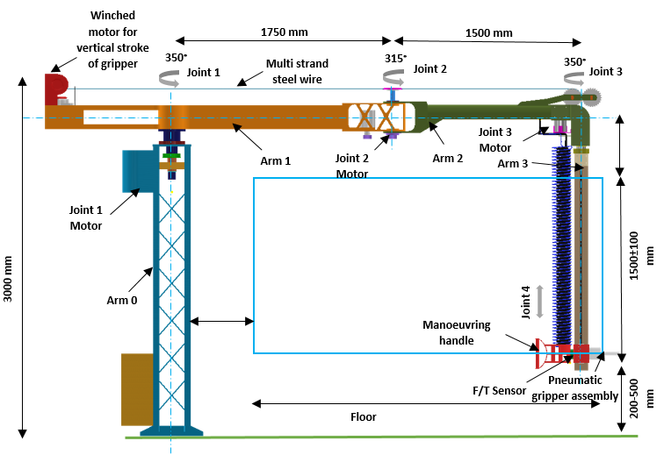

 |  |  | Details required from CSIR-CMERI
 |  |  | Load inertia reflected at the G.B output shaft
 |  |  | Axial load and radial load for G.B selection

 |  |  | Documentation to be shared From Bonfiglioli
 |  |  | Motor (BMD) + GB (TQF)
 |  |  | Integrated One (BMS)
 |  |  | Drive Axia VERT (Drive)
 |  |  | ESD file for EtherCAT

 |  |  |  |  | Figure 1

